Proceso
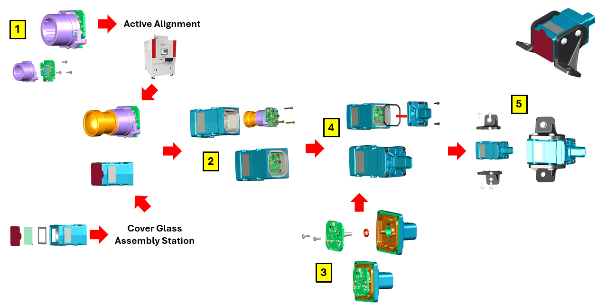
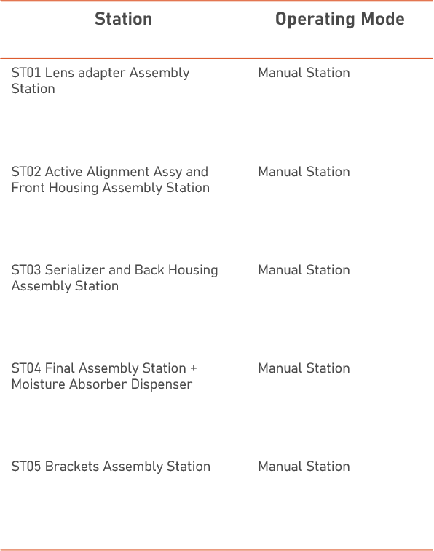
Lens Adapter (MOOSE) Sensor Lens Holder | Back Assy Serializer Back Housing | Front Window Assy Cover Window Front Housing
Kasalis (Build) Sensor Lente |  | Curing Oven Front Window Assy
Curing Oven Sensor
Kasalis (Retest) Sensor

Front Assy Sensor Front Window Assy

Final Assy Front Assy Back Assy
Leak test
EOL
Brackts Assy
Final Inspection

